Issue5
Ticket | https://jira.renesas.eu/browse/ARDAACV-112
Issue | 5.1. SwcBswMap file does not contain all the mapping and uses wrong paths InternalBehavior_0 instead of CddIicInternalBehavior_0
 | 5.2 The CddIic_Ch2-8NoticeCallback are not defined in the SwC description but are mapped in SwcBswMap.

Actual Behavior | 5.1. SwcBswMap file does not contain all the mapping and uses wrong paths InternalBehavior_0
 | 5.2 The CddIic_Ch2-8NoticeCallback are not defined in the SwC description and not be used in Driver code.

Issue Condition | Customer use R2311_CDD_IIC_<Device>_BSWMD.arxml, R2311_CDD_IIC_<Device>_DataTypes.arxml, R2311_CDD_IIC_<Device>_Interfaces.arxml, R2311_CDD_IIC_<Device>_SwcBswMap.arxml, R2311_CDD_IIC_<Device>_SWCD.arxml to genetarate memmap file

Analysis issue: | 5.1. SwcBswMap should be used to mapping between BswModulDescription and ComplexDeviceDriverSwComponentType.
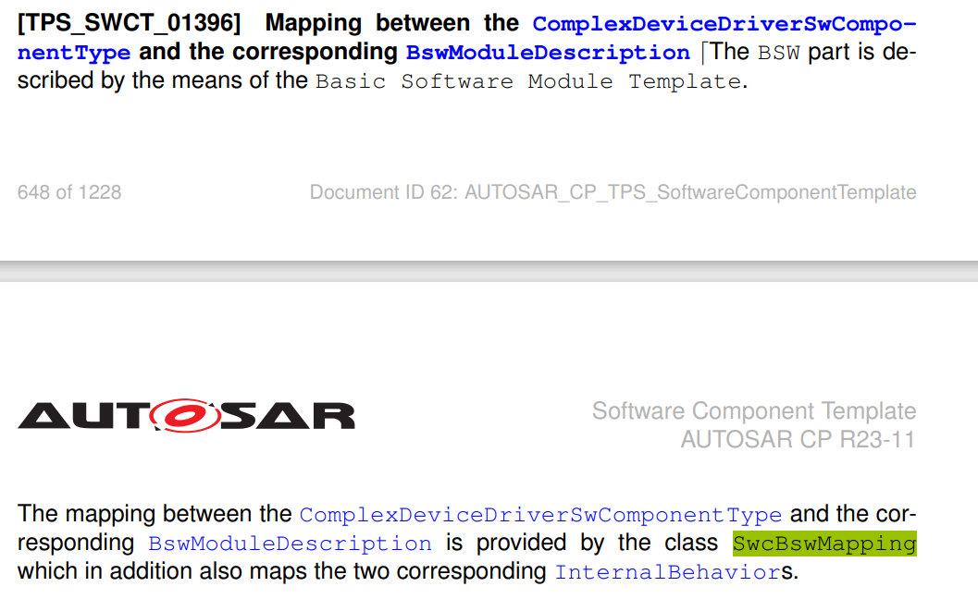

 | 5.2. U5Lx only have 2 channel 0 and 1. Therefore the channel 2 to 8 are redundant

Solution | 5.1 Correct the path of BSW-ENTITY-REF in SwcBswMap
 | 5.2 Remove the SWC-BSW-RUNNABLE-MAPPING for CddIic_Ch2-8NoticeCallback

Issue7
Ticket | https://jira.renesas.eu/browse/ARDAACV-112
Issue | BSWMD also has some missing memory sections

Actual Behavior | In file R2311_CDD_IIC_<Device>_BSWMD.arxml 7.1. CONFIG_DATA_POSTBUILD_32 in used in file Cdd_Iic_PBCfg.c ,VAR_INIT_32 is used in Cdd_Iic_Ram.h but not defined in MEMORY-SECTIONS 7.2. Wrong value in "SW-ADDRMETHOD-REF" for MEMORY-SECTION "CODE_FAST", " VAR"

Issue Condition | Customer use R2311_CDD_IIC_<Device>_BSWMD.arxml, R2311_CDD_IIC_<Device>_DataTypes.arxml, R2311_CDD_IIC_<Device>_Interfaces.arxml, R2311_CDD_IIC_<Device>_SwcBswMap.arxml, R2311_CDD_IIC_<Device>_SWCD.arxml to genetarate memmap file

Analysis issue:
 | As SWS_MenMap_00038, memory section used in CDD should be defined in R2311_CDD_IIC_<Device>_BSWMD.arxml

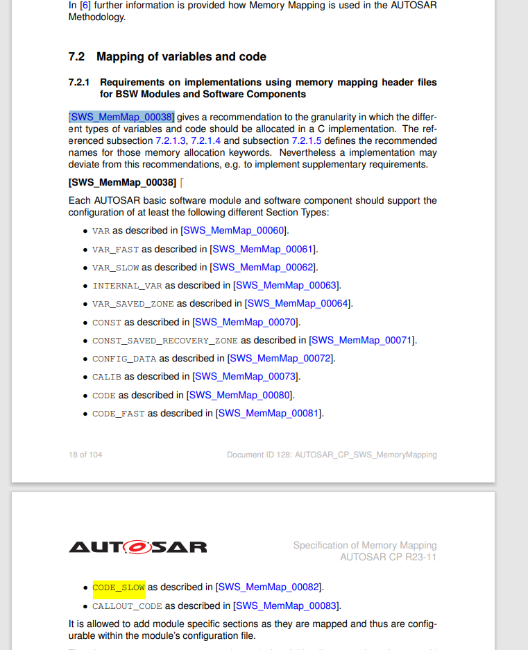

 | expected

Solution | 7.1 Add memory section for CONFIG_DATA_POSTBUILD_32, VAR_INIT_32 7.2 Correct value of "SW-ADDRMETHOD-REF" in memory section VAR_INIT_BOOLEAN to VAR_INIT and memory section VAR_NO_INIT_PTR to VAR_NO_INIT

Issue8
Ticket | https://jira.renesas.eu/browse/ARDAACV-112
Issue | 8.1 BSWMD have Reference wrong reference path for CAT2 interrupt events. 8.2 BSW-INTERRUPT-EVENT reference to wrong path BSW-INTERRUPT_ENTITY BSW "Cddiic_Impl"

Actual Behavior | In file R2311_CDD_IIC_<Device>_BSWMD.arxml 8.1 Interupts events like Evt_CDDIIC0_TEI_CAT2_ISR are classied as BSW-SCHEDULABLE-ENTITY but it point toBSW-SCHEDULABLE-ENTITY 8.2 BSW-INTERRUPT-ENTITY use wrong reference path

Issue Condition | Customer use R2311_CDD_IIC_<Device>_BSWMD.arxml, R2311_CDD_IIC_<Device>_DataTypes.arxml, R2311_CDD_IIC_<Device>_Interfaces.arxml, R2311_CDD_IIC_<Device>_SwcBswMap.arxml, R2311_CDD_IIC_<Device>_SWCD.arxml to genetarate memmap file

Analysis issue: | constr_4016 description that BSW-INTERRUPT-EVENT only trigger for BswInterruptEntity that have InterruptCategory is CAT2 So that cannot reference to BSW-SCHWDULABLE-ENTITY
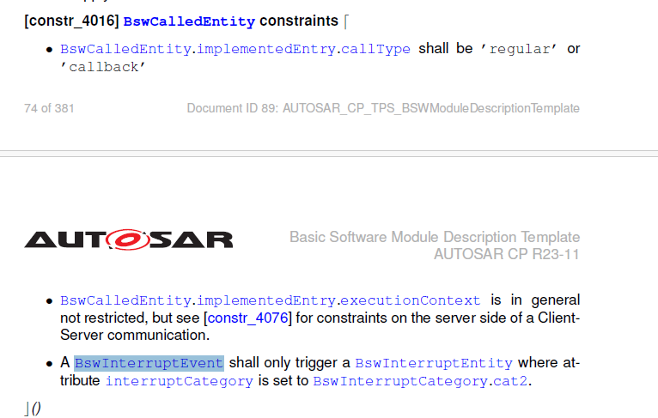

Solution | In file R2311_CDD_IIC_<Device>_BSWMD.arxml 8.1 In BSW-INTERRUPT-EVENT update DEST from BSW-SCHEDULABLE-ENTITY to BSW-INTERRUPT-ENTITY 8.2 In BSW-INTERRUPT-EVENT update STARTS-ON-EVENT-REF content from /Renesas/BswModuleDescriptions_CddIic/Cddiic_Impl/CddIicInternalBehavior_0 to /Renesas/Renesas/BswModuleDescriptions_CddIic/CddIic/CddIicInternalBehavior_0

Issue9
Ticket | https://jira.renesas.eu/browse/ARDAACV-112
Issue | In file R2311_CDD_IIC_<Device>_Interfaces.arxml have Reference wrong reference path for TYPE-TREF

Actual Behavior | In file R2311_CDD_IIC_<Device>_Interfaces.arxml Interface have referenced to wrong value of TYPE-TREF for SENDER-RECEIVER-INTERFACE "If_IicNotice"

Issue Condition | Customer use R2311_CDD_IIC_<Device>_BSWMD.arxml, R2311_CDD_IIC_<Device>_DataTypes.arxml, R2311_CDD_IIC_<Device>_Interfaces.arxml, R2311_CDD_IIC_<Device>_SwcBswMap.arxml, R2311_CDD_IIC_<Device>_SWCD.arxml to genetarate memmap file

Analysis issue: | In file R2311_CDD_IIC_<Device>_Interfaces.arxml Block for SENDER-RECEIVER-INTERFACE of If_IicNotice have child container dataelement it have TYPE-TREF in VARIABLE-DATA-PROTOTYPE

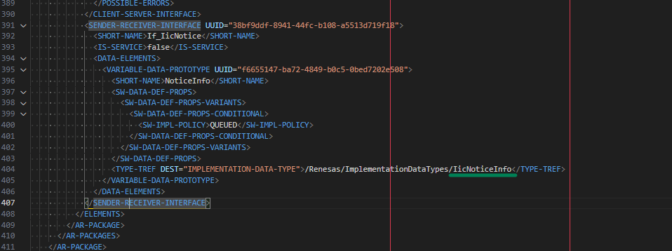
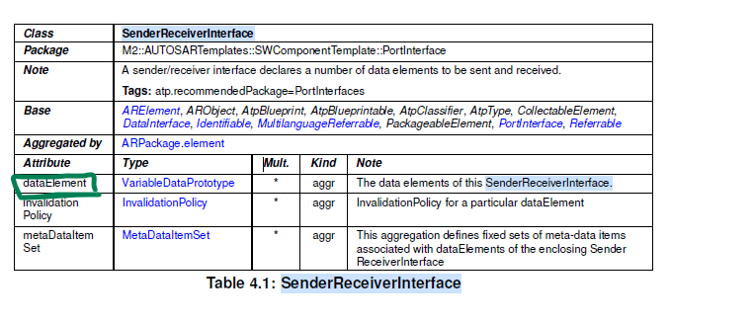

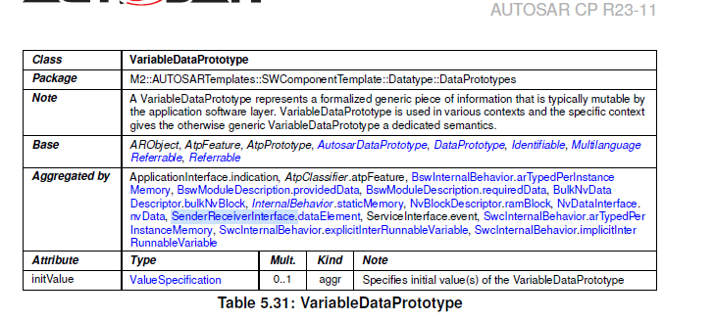

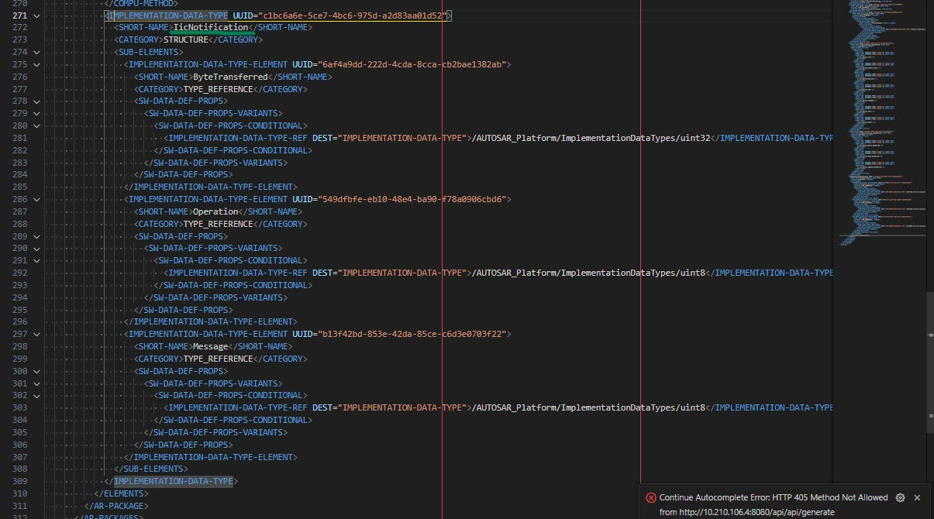

Solution | In file R2311_CDD_IIC_<Device>_Interfaces.arxml Update value of TYPE-TREF to /Renesas/ImplementationDataTypes/ IicNotification in SENDER-RECEIVER-INTERFACE "If_IicNotice"

Issue10
Ticket | https://jira.renesas.eu/browse/ARDAACV-112
Issue | BSWMD have Reference wrong reference path for CAT2 interrupt events.

Actual Behavior | In file User manual have not descibed information about enDigitalNoiseFilterSupport, usSlaveIdIndex but acutal have design and use in iic module

Issue Condition | Customer have use User manual

Analysis issue: | User cannot be get information of CddIic_SlaveConfigType from user manual
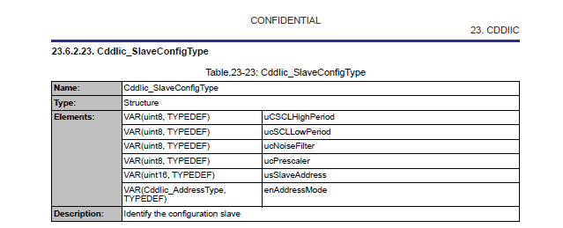
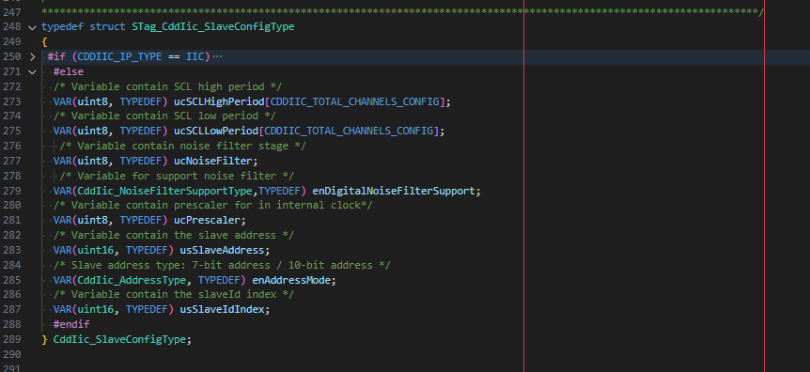

Solution | Add element usSlaveIdIndex, enDigitalNoiseFilterSupport in section 23.6.2.23

Issue11
Ticket | https://jira.renesas.eu/browse/ARDAACV-112
Issue | Value of canBeInvokedConcurrently , REENTRANCY-LEVEL in SWCD mismath between IS-REENTRANT in BSWMDT for CddIic_ChnWrite,CddIic_ChnRead, CddIic_ChnWriteRead

Actual Behavior | Value of

Issue Condition | Customer use R2311_CDD_IIC_<Device>_BSWMD.arxml, R2311_CDD_IIC_<Device>_DataTypes.arxml, R2311_CDD_IIC_<Device>_Interfaces.arxml, R2311_CDD_IIC_<Device>_SwcBswMap.arxml, R2311_CDD_IIC_<Device>_SWCD.arxml to genetarate memmap file

Analysis issue: | In page 529 of AUTOSAR_CP_TPS_SoftwareComponentTemplate.pdf when CanbeInvokedConcurrently = false it mean Reentract-level = Non-reentract Due to Reentract mean can be entry to this function when another thread run that function

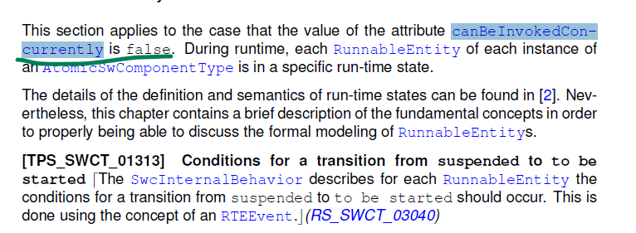

Solution | IN"R2311_CDD_IIC_<Device>_BSWMD.arxml Update for BSW-MODULE-ENTRY of CddIic_ChnWrite, CddIic_ChnRead, CddIic_ChnWriteRead, CddIic_ChnSend_DeviceID to IS-REENTRANT = false R2311_CDD_IIC_<Device>_Interfaces.arxml"

KIL Making Flow
RH850
RH850
Function Phase | Customer
 |  | Sales | Solution/Customer Engagement |  |  |  |  | Development
 |  | Tier1 Account Management | Customer Engagement (ADMKD) L1 | Customer Engagement (ADMKD) L2 | SW Development (SWDD) L3 | Supplier(3rd party) MO L3 | Supplier(3rd party) ME L3 | Project Management (APDD) | Quality Department

Question
Make a JIRA Ticket.
Mail for Japanese customers（mcal_supprot)

Question

No
Does L2
check?

Yes

Contact L2
Make a JIRA Ticket for Japanese customers

JIRA Ticket
(ARC-xx)

JIRA Ticket
(ARC-xx)

Analyze a question

Create an answer

No need to make ARD tickets (QA, etc.)
JIRA Ticket
(ARC-xx)

Bug ?
JIRA Ticket
(ARC-xx)
No

Yes

Make a Deverloper
Ticket

Describe the impact on customers and the issue conditions.
JIRA Ticket
(ARD-xx)
Statsu is "Open"

Defect analysis, JIRA Update
Defect analysis, JIRA Update

Not branching, create answers and input tickets to PL at the same time.

JIRA Ticket
(ARD-xx)

Create an answer
JIRA Ticket
(ARD-xx)
Status "Open" -> "Analysis"

JIRA Ticket
(ARC-xx)

JIRA Ticket
(ARC-xx)

Create an answers to customers

JIRA Ticket
(ARC-xx)
If a bug is detected in the development team.

JIRA Ticket
(ARD-xx)
Internal Detection

Answer by JIRA
Answer by mail to Japanese customers（mcal_supprot)
Answer

"Analysis" ticket changes Assigner to MO
JIRA Ticket
(ARD-xx)

KIL Creation Phase
MO Review
Bug ticket analysis, JIRA Update
MO extracts and updates tickets for undefind with EUPR settings.
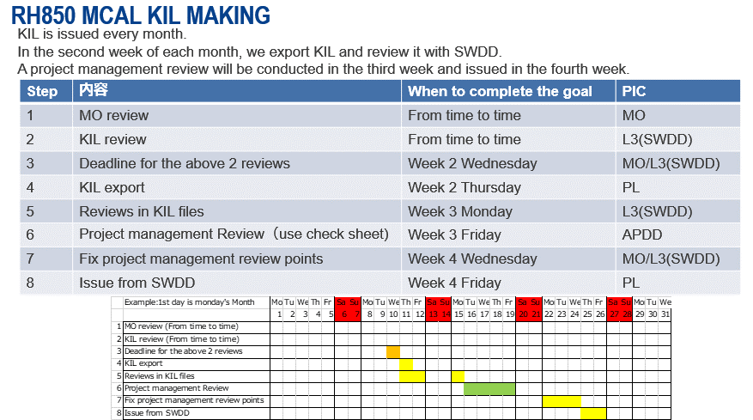

Decide on a proposal to set EUPR
EUPR(End User Product Related)

Review perspective
- Whether the contents of the description are correct or can you understand
the contents of the defect from a third-party perspective?
- Whether the description is accurate or understandable
- Specifically, which specifications are violated?
- Solution or Proposal and Expressed Behavior are appropriate, is the root
cause and how to fix the defect correctly?
- Are conditions of occurrence clear, such as config or sequence?
- Can the influence range be inferred from the background of the design?
Due to changes that ignore design intent , is there any concern of the
adverse effect?
- Do you need a horizontal exhibition of your module?
- Can Workarund be feasible from the intended customer use case?
Is there any other solution?
- Can't you avoid it because of the customer's usage?
- Can't you get around with the config limit?
- Can customers deal with the use of the API?

JIRA Ticket
(ARD-xx)

Change Assigner to PL
JIRA Ticket
(ARD-xx)

Flows added at RH850 MCAL from Jan. 2020

Ticket Review
KIL review
KIL (Ticket) Review

Review minutes
Change the assigner of the ticket to MO

Review minutes

JIRA Update

Up to this point, the ticket status is "Analysts"

Review the
proposed
EUPR settings

MO asks PL to confirm EUPR.
Change status to Request CCB (basic) or Waiting Fix version
JIRA Ticket
(ARD-xx)

Change Assigner to PL

Request CCB＝Consult the need for fix
Waiting Fix version＝ Fix

JIRA Ticketト
(ARD-xx)
For Invalid, you can transition as follows:
Analysis → Waiting Fix Version → Close Invalid

Finalizing EUPR
PL decides the fix Ver. Confirm EUPR.
If status is "Request CCB" or "Waiting Fix version" and EUPR=Undefined, PL has a ball.

MO Analysis ticket (Description field)
<KIL checklist Table>
.....
<Similar Checking point>
......
MO defines similar checking points in Description field of "MO Analysis" for the original ticket
similar check flow
Similar check ?
Define similar checking points
No
Yes

PL decides whether the issue is needed for similar check or not with consideration of customer's impact and conditions of occurrence
ticket "MO Analysis" in Original project is approved.
Assign for similar checking
Create the Issue Analysis file
following the directory structure which is defined in "Configuration_Management" sheet

Fill to the "MO_judgment" Table and "Evidence of analysis result"
Fill the Analysis Result.

Review the Analysis result
Update Status of review
Update status of review at row 57 of sheet "ARD*-xxxx". And ask MO to review Analysis result.

Valid/Invalid
Cloning the ticket
Clone ticket and follow the "Bug flow".
(1) Include The Analysis result to "MO Analysis ticket
(2) Update ticket and ask MO for "KIL Review"
Valid

Invalid

Review the Analysis result
JIRA Ticket
(ARD-xx)

Change Assigner to PL

JIRA Ticket
(ARD-xx)

JIRA Ticket
(ARD-xx)
2 weeks
whole of the similar checking process is 2 weeks from getting the similar ticket ID.

Finalizing EUPR

Notification to the Quality Department
In accordance with the "ABU SW Design Defect Definition and Action Guidelines", Class K(Section manager) level person notify the Quality Department.

Registration in Aras
Register a ticket with EUPR=YES in Aras. However, clone tickets are excluded.

MO & ME cooperate to analyze the 5 whys analysis within 2 weeks.
The 5 whys analysis will be performed parallel with the similar check.

5 why analysis
5 why analysis

Determine recurrence prevention measures
Review 5 whys analysis

Confirm effectiveness

Rollout measure and lession
Register cases on the horizontal development registration sheet
P.I.C: PM or PL
Timing : After completion of recurrence prevention measures
Follow "ABU_SW_Guide_DefectDefProc_rev120_230706_EN.pptx" document

Update horizontal deployment check sheet
P.I.C: Process Improvement WG members
Timing : Within 2 weeks after the registration of the horizontal deployment registration sheet

P.I.C: PL
Timing : Check at each process. Add the horizontal deployment check sheet as the target WP of peer review and DR, then verify it.
Check using the horizontal deployment check sheet

Extract KIL Tickets
from JIRA
Periodically

Once a month

KIL File

Registration Check in ARAS
Verify added tickets in the KIL Hisotry and Aras registered tickets are the same

Review of the contents

Reflect
review results
in JIRA tickets

Look at what has become a KIL file, see history, and if there is a ticket correction, the review results will be reflected in the ticket.
JIRA Ticket
(ARD-xx)

Extract KIL Tickets from JIRA

KIL File

KIL File

Review from a third-party perspective
Review using KIL check sheet

Review result

Review result

Reflect
review results
in JIRA tickets

JIRA Ticket
(ARD-xx)
JIRA Ticket
(ARD-xx)
Reflect review results in tickets. Fix by PL or MO.

Extract KIL Tickets from JIRA

KIL File

Check and approve the validity of the KIL File using review check sheet.
Including ARAS registration

Class B
(Director)
approval

Release
KIL File

KIL File

KIL File

Distribute to customers
W/W customers via MyPage,
Japanese customers via MyRenesas.

KIL File

